Diagram
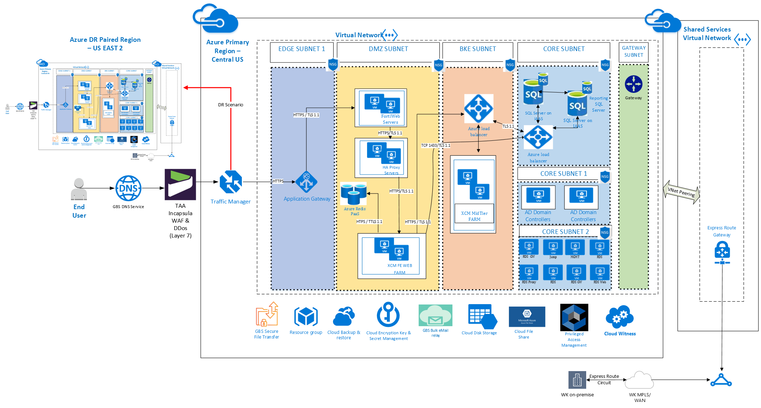
High Performance Dedicated

